Defect Report Insta Reels
Defect Id | Test Case Id | Test Case Name | Precondition | Steps | Test Data | Defect Type | Defect Severity | Defect Priority | Expected Result | Actual Result | Tester Name | Screenshot | Status
1 | 1 | Cover Reel Creation | User is logged in to Instagram | 1. Open Instagram app 2. Tap on the "+" button 3. Select "Reel" | Click on + button | Functionality | Major | P2 | Cover Reel creation is successful | Unable to create a Cover Reel | Bhushan | 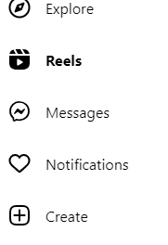 | Fail

